01.01
Table 1.01 Population Estimates of the Hawaiian Islands: 1778-1896

Year | Population Estimates | Percent Change | Native Hawaiian |  | Non Native Hawaiian
 |  |  | No. | % | No. | %
1778 | 300,000 | (X) | (N) | (N) | (N) | (N)
1796 | 270,000 | -10.0% | (N) | (N) | (N) | (N)
1803 | 266,000 | -1.5% | (N) | (N) | (N) | (N)
1804 | 154,000 | -42.1% | (N) | (N) | (N) | (N)
1805 | 152,000 | -1.3% | (N) | (N) | (N) | (N)
1819 | 144,000 | -5.3% | (N) | (N) | (N) | (N)
1823 | 134,925 | -6.3% | (N) | (N) | (N) | (N)
1832 | 124,449 | -7.8% | (N) | (N) | (N) | (N)
1836 | 107,954 | -13.3% | (N) | (N) | (N) | (N)
1849 | 87,063 | -19.4% | (N) | (N) | (N) | (N)
1850 | 84,165 | -3.3% | (N) | (N) | (N) | (N)
1853 | 73,138 | -13.1% | 71,019 | 97.1% | 2,119 | 2.9%
1860 | 69,800 | -4.6% | 66,984 | 96.0% | 2,816 | 4.0%
1866 | 62,959 | -9.8% | 58,765 | 93.3% | 4,194 | 6.7%
1872 | 56,897 | -9.6% | 51,531 | 90.6% | 5,366 | 9.4%
1878 | 57,985 | 1.9% | 47,508 | 81.9% | 10,477 | 18.1%
1884 | 80,578 | 39.0% | 44,232 | 54.9% | 36,346 | 45.1%
1890 | 89,990 | 11.7% | 40,622 | 45.1% | 49,368 | 54.9%
1896 | 109,020 | 21.2% | 39,504 | 36.2% | 69,516 | 63.8%
(X) Not applicable (N) Not available

Source: Robert C. Schmitt. Demographic Statistics of Hawaii: 1778-1965. (Honolulu, 1968). Robert C. Schmitt. Historical Statistics of Hawaii. (Honolulu, 1977).

One-century after European contact the population of Hawai‘i declined over 80%. It would not be speculation to assert that Native Hawaiians bore the brunt of the population decline. While abortion and infanticide were in limited practice prior to 1778, foreign contact introduced a host of apocalyptic agents. Population decline was due in part to venereal disease-resulting in sterility, miscarriages, and death-and epidemics such as small pox, measles, whooping cough and influenza. Decline was also accelerated by a low fertility rate, high infant mortality, poor housing, inadequate medical care, poor sanitation, hunger and malnutrition, alcohol and tobacco use. Over two centuries after European contact many of these situations still exist.

Figure 1.01 Population Estimates of the Hawaiian Islands: 1778‑1896
 | Population Estimates | Native Hawaiian | Non Native Hawaiian
1778 | 300000
1796 | 270000
1803 | 266000
1804 | 154000
1805 | 152000
1819 | 144000
1823 | 134925
1832 | 124449
1836 | 107954
1849 | 87063
1850 | 84165
1853 | 73138 | 71019 | 2119
1860 | 69800 | 66984 | 2816
1866 | 62959 | 58765 | 4194
1872 | 56897 | 51531 | 5366
1878 | 57985 | 47508 | 10477
1884 | 80578 | 44232 | 36346
1890 | 89990 | 40622 | 49368
1896 | 109020 | 39504 | 69516

01.02
Table 1.02 Population of the Territory and State of Hawai‘i: 1900-2020

Census Year | Total Populationa | Percent Change | Native Hawaiianb |  | Non-Native Hawaiian
 |  |  | No. | % | No. | %
1900 | 154,001 |  | 39,656 | 25.8% | 114,345 | 74.3%
1910 | 191,909 | 24.6% | 38,547 | 20.1% | 153,362 | 79.9%
1920 | 255,912 | 33.4% | 41,750 | 16.3% | 214,162 | 83.7%
1930 | 368,336 | 43.9% | 50,860 | 13.8% | 317,476 | 86.2%
1940 | 423,330 | 14.9% | 64,310 | 15.2% | 359,020 | 84.8%
1950 | 499,769 | 18.1% | 86,090 | 17.2% | 413,679 | 82.8%
1960 | 632,772 | 26.6% | 102,403 | 16.2% | 530,369 | 83.8%
1970 | 768,559 | 21.5% | 71,274 | 9.3% | 697,285 | 90.7%
1980 | 964,691 | 25.5% | 115,500 | 12.0% | 849,191 | 88.0%
1990 | 1,108,229 | 14.9% | 138,742 | 12.5% | 969,487 | 87.5%
2000 | 1,211,537 | 9.3% | 239,655 | 19.8% | 971,882 | 80.2%
2010 | 1,360,301 | 12.3% | 289,970 | 21.3% | 1,070,331 | 81.2%
2020 | 1,455,271 | 7.0% | 317,497 | 9.5% | 1,137,774 | 78.2%
a Includes all races. Note: some numbers have been revised from earlier reports by the Census Bureau, moreover, the Bureau’s definition of Hawaiian/Part-Hawaiian/Native Hawaiian has changed over the decades.
b Hawaiian as defined by the U.S. Bureau of the Census.Note: For Census 2000, the question on race was revised to allow respondents the option to self-identify themselves by selecting one or more races to indicate their racial identities.The table uses the "alone or in combination" totals.

Source: Robert C. Schmitt. Historical Statistics of Hawaii. (Honolulu, 1977). US Bureau of the Census. Census 2000 Summary File 2 (SF 2) (January 16, 2002).US Bureau of the Census. US Bureau of the Census. Census 2010 Summary File 1 (SF 1) (June 16, 2011). US Bureau of the Census. Census 2020 DEC Detailed Demographic and Housing Characteristics File A

Figure 1.02 Population of the Territory and State of Hawai‘i: 1900-2010
 | Total Population | Native Hawaiian | Non Native Hawaiian
1900 | 154001 | 39656 | 114345
1910 | 191909 | 38547 | 153362
1920 | 255912 | 41750 | 214162
1930 | 368336 | 50860 | 317476
1940 | 423330 | 64310 | 359020
1950 | 499769 | 86090 | 413679
1960 | 632772 | 102403 | 530369
1970 | 768559 | 71274 | 697285
1980 | 964691 | 115500 | 849191
1990 | 1108229 | 138742 | 969487
2000 | 1211537 | 239655 | 971882
2010 | 1360301 | 289970 | 1070331
Figure 1.02 Population of the Territory and State of Hawai‘i: 1900-2020
 | Total Population | Native Hawaiian | Non Native Hawaiian
1900 | 154001 | 39656 | 114345
1910 | 191909 | 38547 | 153362
1920 | 255912 | 41750 | 214162
1930 | 368336 | 50860 | 317476
1940 | 423330 | 64310 | 359020
1950 | 499769 | 86090 | 413679
1960 | 632772 | 102403 | 530369
1970 | 768559 | 71274 | 697285
1980 | 964691 | 115500 | 849191
1990 | 1108229 | 138742 | 969487
2000 | 1211537 | 239655 | 971882
2010 | 1360301 | 289970 | 1070331
2020 | 1455271 | 317497 | 1137774

01.04
Table 1.04 Population of Hawai‘i by Island: US Census 1900-2020

Island | US Census Year
 | 1900 | 1910 | 1920 | 1930 | 1940 | 1950 | 1960 | 1970 | 1980 | 1990 | 2000 | 2010 | 2020
O‘ahu 1 | 58,504 | 81,993 | 123,496 | 202,887 | 257,696 | 353,020 | 500,409 | 630,528 | 762,565 | 836,231 | 876,156 | 953,207 | 1,016,508
Hawai‘i | 46,843 | 55,382 | 64,895 | 73,325 | 73,276 | 68,350 | 61,332 | 63,468 | 92,053 | 120,317 | 148,677 | 185,079 | 200,629
Maui 2 | 25,416 | 28,623 | 36,080 | 48,756 | 46,919 | 40,103 | 35,717 | 38,691 | 62,823 | 91,361 | 117,644 | 144,444 | 154,100
Lāna‘i |  | 131 | 185 | 2,356 | 3,720 | 3,136 | 2,115 | 2,204 | 2,119 | 2,426 | 3,193 | 3,135 | 3,367
Kaho‘olawe | (X) | 2 | 3 | 2 | 1 | (X) | (X) | (X) | (X) | (X) | (X) | (X) | (X)
Moloka‘i | 2,504 | 1,791 | 1,784 | 5,032 | 5,340 | 5,280 | 5,023 | 5,261 | 6,049 | 6,717 | 7,404 | 7,345 | 7,369
Kaua‘i | 20,562 | 23,744 | 29,247 | 35,806 | 35,636 | 29,683 | 27,922 | 29,524 | 38,856 | 50,947 | 58,303 | 66,921 | 73,214
Ni‘ihau 3 | 172 | 208 | 191 | 136 | 182 | 222 | 254 | 237 | 226 | 230 | 160 | 170 | 84
Total | 154,001 | 191,874 | 255,881 | 368,300 | 422,770 | 499,794 | 632,772 | 769,913 | 964,691 | 1,108,229 | 1,211,537 | 1,360,301 | 1,455,271
1 O‘ahu includes Sand Island, Mokauea Island, Ford Island, Moku o Loe and the Northwestern Hawaiian Islands. 2 Maui includes Kaho‘olawe and Molokini (uninhabited). 3 Niÿihau includes Lehua and Kaula (uninhabited). (X) Not applicable

Source: Robert C. Schmitt. Demographic Statistics of Hawaii: 1778-1965. (Honolulu, 1968). US Census 1970-2000 Summary File 2 (SF 2). US Census 2010 Summary File 1 (SF 1). US Census 2020 DEC Detailed Demographic and Housing Characteristics File A

• The first "U.S. Census" in the Hawaiian Islands was conducted in 1900.

Figure 1.04 Population of Hawai‘i by Island: U.S. Census 2010
O‘ahu | 953207
Hawai‘i | 185079
Maui | 144444
Lāna‘i | 3135
Moloka‘i | 7345
Kaua‘i | 66921
Ni‘ihau | 170
Figure 1.04 Population of Hawai‘i by Island: U.S. Census 2010
O‘ahu | 953207
Hawai‘i | 185079
Maui | 144444
Lāna‘i | 3135
Moloka‘i | 7345
Kaua‘i | 66921
Ni‘ihau | 170

01.05
Table 1.05 Population of Hawai‘i by Race: U.S. Census 1900-2020

Race | US Census Year
 | 1900 | 1910 | 1920 | 1930 | 1940 | 1950 | 1960 | 1970 | 1980 | 1990 | 2000a | 2010a | 2020
Native Hawaiian | 37,656 | 38,547 | 41,750 | 50,860 | 64,310 | 86,090 | 102,403 | 71,274 | 115,500 | 138,742 | 241,512 | 289,970 | 317,497
White | 28,819 | 44,048 | 54,742 | 80,373 | 112,087 | 124,344 | 202,230 | 301,429 | 318,770 | 369,616 | 476,812 | 564,323 | 609,215
Chinese | 25,767 | 21,674 | 23,507 | 27,179 | 28,774 | 32,376 | 38,197 | 52,375 | 56,285 | 68,804 | 170,439 | 198,711 | 214,493
Filipino | (N) | 2,361 | 21,031 | 63,052 | 52,569 | 61,062 | 69,070 | 95,353 | 133,940 | 168,682 | 277,514 | 342,095 | 383,200
Korean | (N) | 4,533 | 4,950 | 6,461 | 6,851 | 7,030 | (N) | 9,625 | 17,962 | 24,454 | 41,119 | 48,699 | 52,696
Japanese | 61,111 | 79,675 | 109,274 | 139,631 | 157,905 | 184,598 | 203,455 | 217,669 | 239,748 | 247,486 | 295,875 | 312,292 | 312,668
African American/ Black | 233 | 695 | 348 | 563 | 255 | 2,651 | 4,943 | 7,517 | 17,364 | 27,195 | 32,066 | 38,820 | 26,041
Other Groups | 415 | 376 | 310 | 217 | 579 | 1,618 | 12,474 | 13,317 | 65,122 | 63,250 | (X) | (X) | (X)
Total | 154,001 | 191,909 | 255,912 | 368,336 | 423,330 | 499,769 | 632,772 | 768,559 | 964,691 | 1,108,229 | 1,211,537 | 1,360,301 | 1,455,271
a Note: changes in the 2000 Census concerning the reporting of race/ethnicity the data is not comparable to previous censuses.Data for the 2000 and 2010 are reported for "race alone and in any combination. Consequently, individuals could be counted multiple times in different race categories. (N) Not available (X) Not applicable.

Source: Robert C. Schmitt. Demographic Statistics of Hawaii: 1778-1965. (Honolulu, 1968). US Bureau of the Census. 1970, 1980, 1990 Census of Population. General Population Characteristic. (Washington, D.C.), US Bureau of the Census. Census 2000 Summary File 4 (SF 4) (April 29, 2003). US Bureau of the Census. Census 2010 Summary File 1 (SF 1) (June 16, 2011). US Bureau of the Census. Census 2020 DEC Detailed Demographic and Housing Characteristics File A

Figure 1.05 Population of Hawai‘i by Race: U.S. Census 1900‑2020
 | Native Hawaiian | Caucasian | Chinese | Filipino | Korean | Japanese
1900 | 37656 | 28819 | 25767 | #N/A | #N/A | 61111
1910 | 38547 | 44048 | 21674 | 2361 | 4533 | 79675
1920 | 41750 | 54742 | 23507 | 21031 | 4950 | 109274
1930 | 50860 | 80373 | 27179 | 63052 | 6461 | 139631
1940 | 64310 | 112087 | 28774 | 52569 | 6851 | 157905
1950 | 86090 | 124344 | 32376 | 61062 | 7030 | 184598
1960 | 102403 | 202230 | 38197 | 69070 | 0 | 203455
1970 | 71274 | 301429 | 52375 | 95353 | 9625 | 217669
1980 | 115500 | 318770 | 56285 | 133940 | 17962 | 239748
1990 | 138742 | 369616 | 68804 | 168682 | 24454 | 247486
2000 | 241512 | 476812 | 170439 | 277514 | 41119 | 295875
2010 | 289970 | 564323 | 198711 | 342095 | 48699 | 312292
2020 | 317497 | 609215 | 214493 | 383200 | 52696 | 312668

01.06
Table 1.06 The Race Composition of the State of Hawai‘i: 2010

Major Races | U.S. Census: 2010 a |  | Hawaii Health Survey: 2010 b
 | Population | % | Population Estimate | %
Native Hawaiian | 289,970 | 21.3% | 291,223 | 22.5%
Caucasian | 564,323 | 41.5% | 274,484 | 21.2%
Filipino | 342,095 | 25.1% | 208,348 | 16.1%
Japanese | 312,292 | 23.0% | 286,013 | 22.1%
Chinese | 199,751 | 14.7% | (N)
Korean | 48,699 | 3.6% | (N)
Samoan | 37,463 | 2.8% | (N)
Vietnamese | 13,266 | 1.0% | (N)
Others | (X) |  | 234,957 | 18.1%
Total | 1,360,301 |  | 1,295,025
a Native Hawaiian as defined by the U.S. Bureau of the Census. "The Concept of race as used by the Census Bureau reflects self-identification; it does not denote any clear-cut scientific definition of biological stock.” Note: Starting from the 2000 Census, the question on race was revised to allow respondents the option to self-identify themselves by selecting one or more races to indicate their racial identities. The table uses the "alone or in combination" totals.
b Hawaiian as defined by the Hawaii Health Survey (HHS). The Hawaii Health Survey examined the ethnic background of the parents of each individual as provided by that individual. Racial background of each individual is based on the racial composition of his/her parents. Note: The data is based on a sample and is subject to sampling variability.
(X) Not applicable. (N) Not available or not comparable

Source: US. Bureau of the Census. Census 2010 Summary File 2 (SF 2) (February 23, 2012). Hawai‘i State. Department of Health, Hawaii Health Survey. (Honolulu).

• In the State of Hawaiÿi, there are two principal sources for general demographic data by various racial/ethnic groups. The first is the decennial census conducted by the U.S. Department of Commerce, Census Bureau and is taken every 10 years to collect information about the people and housing of the United States. The second is the Hawaiÿi Health Survey (HHS) conducted by the State of Hawaiÿi, Department of Health. The HHS is a continuous statewide telephone survey of health and socio-demographic conditions. Unlike the decennial census the HHS data is annual and can measure changes in the population during the intercennial decade, however being a sample survey it is subject to sampling variability and other sample survey issues.

Figure 1.06 The Race Composition of the State of Hawai‘i: 2010
 | U.S. Census: 2010 | Hawaii Health Survey: 2010
Native Hawaiian | 0.21316605663 | 0.2248782842
Caucasian | 0.41485156594 | 0.21195266501
Filipino | 0.25148478168 | 0.16088338063
Japanese | 0.22957566009 | 0.22085519585

01.14
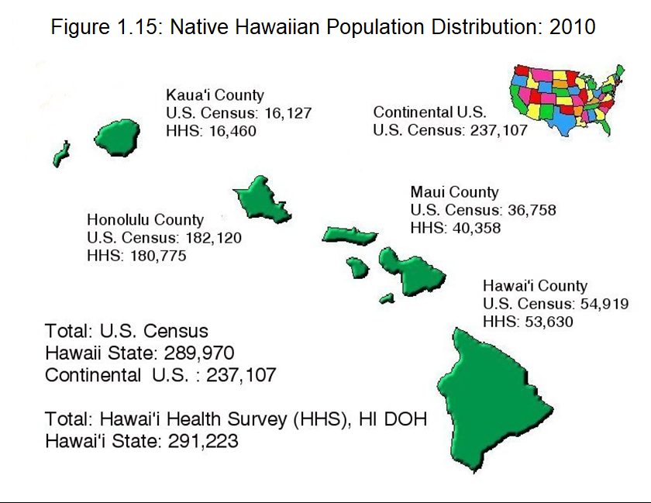
Table 1.14 The Native Hawaiian Population Distribution by County: 2010

County | U.S. Census: 2010 |  |  |  | Hawaii Health Survey: 2010
 | Total Population |  | Native Hawaiiana |  | Total Population |  | Native Hawaiianb
 | Population | % | Population | % | Population Estimate | % | Population Estimate | %
Honolulu | 953,207 | 70.1% | 182,120 | 62.8% | 902,303 | 69.7% | 180,775 | 62.1%
Hawai‘i | 185,079 | 13.6% | 54,919 | 18.9% | 178,351 | 13.8% | 53,630 | 18.4%
Maui | 154,834 | 11.4% | 36,758 | 12.7% | 149,562 | 11.5% | 40,358 | 13.9%
Kalawao | 90 | 0.0% | 46 | 0.0% | (N) |  | (N)
Kaua‘i | 67,091 | 4.9% | 16,127 | 5.6% | 64,808 | 5.0% | 16,460 | 5.7%
Total | 1,360,301 |  | 289,970 |  | 1,295,024 |  | 291,223
a Hawaiian as defined by the U.S. Bureau of the Census. Note: For Census 2000, the question on race was revised to allow respondents the option to self-identify themselves by selecting one or more races to indicate their racial identities. The table uses the "alone or in any combination" totals.
b Hawaiian as defined by the Hawaiÿi Health Survey. The Hawaiÿi Health Survey examined the ancestry of the parents of each individual as provided by that individual. Racial background of each individual is based on the racial composition of his parents. Note: The data is based on a sample and is subject to sampling variability.
(N) Not available or not comparable

Source: US. Bureau of the Census. Census 2010 Summary File 2 (SF 2) (February 23, 2012). Hawai‘i State. Department of Health, Hawaiÿi Health Survey. (Honolulu)

• Over two-thirds of the Native Hawaiian population in the State of Hawaiÿi reside in the urbanized environment of the City and County of Honolulu.

01.16
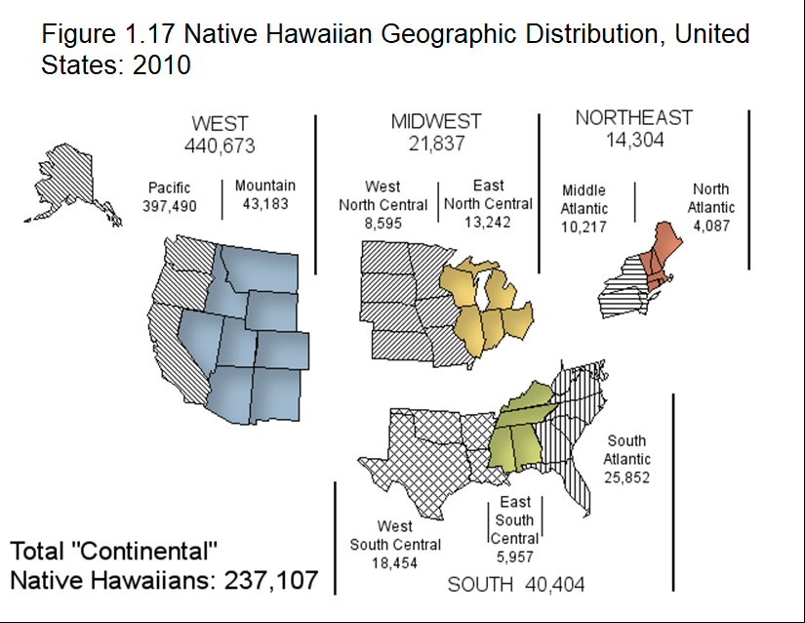
Table 1.16 Native Hawaiians Living in Hawaiÿi or Other States: US Census 1990, 2000, 2010, and 2020.

Place of Residence | 1990 Census |  | 2000 Census |  | 2010 Census |  | 2020 Census
 | Native Hawaiian | % | Native Hawaiian Alone or in any Combination | % | Native Hawaiian Alone or in any Combination | % | Native Hawaiian Alone or in any Combination | %
Living in Hawai‘i | 138,742 | 65.8% | 239,655 | 59.7% | 289,970 | 55.0% | 317,497 | 46.7%
Living Outside of Hawaiÿi | 48,847 | 23.1% | 161,507 | 40.3% | 237,107 | 45.0% | 362,945 | 53.3%
California | 34,447 | 16.3% | 60,048 | 15.0% | 74,932 | 14.2% | 95,165 | 14.0%
Washington | 5,423 | 2.6% | 13,507 | 3.4% | 19,863 | 3.8% | 31,061 | 4.6%
Nevada | 1,534 | 0.7% | 8,264 | 2.1% | 16,339 | 3.1% | 26,628 | 3.9%
Texas | 2,979 | 1.4% | 7,775 | 1.9% | 13,192 | 2.5% | 23,234 | 3.4%
Oregon | 2,415 | 1.1% | 6,366 | 1.6% | 9,719 | 1.8% | 15,446 | 2.3%
Florida | 2,049 | 1.0% | 5,285 | 1.3% | 8,023 | 1.5% | 13,085 | 1.9%
Rest of U.S. | 23,425 | 11.1% | 60,262 | 15.0% | 95,039 | 18.0% | 158,326 | 23.3%
Native Hawaiians in U.S. | 211,014 |  | 401,162 |  | 527,077 |  | 680,442
a Hawaiian as defined by the U.S. Bureau of the Census.Note: For Census 2000, the question on race was revised to allow respondents the option to self-identify themselves by selecting one or more races to indicate their racial identities.The table uses the "alone or in any combination" totals.

Source: US Bureau of the Census.1990 Census of Population, General Population Characteristics, U.S., 1990 CP-1-1 (Nov. 1992). US Bureau of the Census. Census 2000 Summary File 1 (SF 1) (July 25, 2001). US Bureau of the Census. Census 2010 Summary File 2 (SF 2) (February 23, 2012). US Bureau of the Census. Census 2020 DEC Detailed Demographic and Housing Characteristics File A

• Over 53% of Native Hawaiians in the United States live outside of the State of Hawaiÿi. Over a quarter of the "Continental" Native Hawaiians reside in the State of California.

01.34
Table 1.34 Characteristics of Native Hawaiian Households in Hawai‘i: 2010

Household Type | State of Hawai‘i
 | Total Population |  | Native Hawaiian
 | No. | % | No. | %
Families | 313,907 |  | 53,669 | 17.1%

Population in Families | 1,074,173 | — | 208,436 | —
Under 18 years | 294,050 | — | 71,634 | —
18 years and over | 780,123 | — | 136,802 | —

Average family size | 3 | — | 4 | —
Under 18 years | 1 | — | 1 | —
18 years and over | 2 | — | 3 | —

Husband-wife family: | 230,076 | 73.3% | 33,148 | 61.8%
With own children under 18 years: | 91,610 | 29.2% | 15,931 | 29.7%
Under 6 years only | 21,333 | 6.8% | 2,846 | 5.3%
Under 6 years and 6 to 17 years | 19,793 | 6.3% | 4,434 | 8.3%
6 to 17 years only | 50,484 | 16.1% | 8,651 | 16.1%
No own children under 18 years | 138,466 | 44.1% | 17,217 | 32.1%

Other family: | 83,831 | 26.7% | 20,521 | 38.2%
Male householder, no wife present: | 26,590 | 8.5% | 6,390 | 11.9%
With own children under 18 years: | 10,737 | 3.4% | 3,020 | 5.6%
Under 6 years only | 3,043 | 1.0% | 960 | 1.8%
Under 6 years and 6 to 17 years | 1,778 | 0.6% | 649 | 1.2%
6 to 17 years only | 5,916 | 1.9% | 1,411 | 2.6%
No own children under 18 years | 15,853 | 5.1% | 3,370 | 6.3%
Female householder, no husband present: | 57,241 | 18.2% | 14,131 | 26.3%
With own children under 18 years: | 23,808 | 7.6% | 7,099 | 13.2%
Under 6 years only | 5,018 | 1.6% | 1,572 | 2.9%
Under 6 years and 6 to 17 years | 4,294 | 1.4% | 1,730 | 3.2%
6 to 17 years only | 14,496 | 4.6% | 3,797 | 7.1%
No own children under 18 years | 33,433 | 10.7% | 7,032 | 13.1%

Source: United States. Bureau of the Census. Census 2010 Summary File 2 (SF 2) (February 23, 2012).

Native Hawaiians have a significantly smaller proportion of its families being married couple families than the state average. There is a greater proportion of Native Hawaiian families headed by a single parent, either a female households with no husband present or a male householder with no wife present relative to the rest of the state.

Figure 1.35a Characteristics of Native Hawaiian Families in Hawaiÿi: 2010
Husband-wife family: | 33,148
Male householder, no wife present: | 6,390
Female householder, no husband present: | 14,131

Figure 1.35b Characteristics of Families in Hawaiÿi: 2010
 | Total Population | Native Hawaiian
Husband-wife family: | 73.3% | 61.8%
Male householder, no wife present: | 8.5% | 11.9%
Female householder, no husband present: | 18.2% | 26.3%

